Table 1
Table 1 Yearly trends in the number of households and average number of household members by household structures and household types
 | 1 | 1 | 1 | 1 | 1 | 1
 | 1 | 1 | 1 | 1

 | Total | Household structures |  |  |  |  |  | Type of household |  |  |  | Average number of household members
 |  | One-person household | Household of a couple only | Household of a couple and unmarried child(ren) only | Household of a single parent and unmarried child(ren) | Three-generation-family household | Other households | Aged household | Mother-child(ren) household | Father-child(ren) household | Other households
 | Estimated number (Unit: thousand households) |  |  |  |  |  |  |  |  |  |  | (persons)
1986 | 37544 | 6826 | 5401 | 15525 | 1908 | 5757 | 2127 | 2362 | 600 | 115 | 34468 | 3.22
1989 | 39417 | 7866 | 6322 | 15478 | 1985 | 5599 | 2166 | 3057 | 554 | 100 | 35707 | 3.10
1992 | 41210 | 8974 | 7071 | 15247 | 1998 | 5390 | 2529 | 3688 | 480 | 86 | 36957 | 2.99
1995 | 40770 | 9213 | 7488 | 14398 | 2112 | 5082 | 2478 | 4390 | 483 | 84 | 35812 | 2.91
1998 | 44496 | 10627 | 8781 | 14951 | 2364 | 5125 | 2648 | 5614 | 502 | 78 | 38302 | 2.81
2001 | 45664 | 11017 | 9403 | 14872 | 2618 | 4844 | 2909 | 6654 | 587 | 80 | 38343 | 2.75
2004 | 46323 | 10817 | 10161 | 15125 | 2774 | 4512 | 2934 | 7874 | 627 | 90 | 37732 | 2.72
2007 | 48023 | 11983 | 10636 | 15015 | 3006 | 4045 | 3337 | 9009 | 717 | 100 | 38197 | 2.63
2010 | 48638 | 12386 | 10994 | 14922 | 3180 | 3835 | 3320 | 10207 | 708 | 77 | 37646 | 2.59
2013 | 50112 | 13285 | 11644 | 14899 | 3621 | 3329 | 3334 | 11614 | 821 | 91 | 37586 | 2.51
2016 | 49945 | 13434 | 11850 | 14744 | 3640 | 2947 | 3330 | 13271 | 712 | 91 | 35871 | 2.47
2019 | 51785 | 14907 | 12639 | 14718 | 3616 | 2627 | 3278 | 14878 | 644 | 76 | 36187 | 2.39
2020 | … | … | … | … | … | … | … | … | … | … | … | …
2021 | 51914 | 15292 | 12714 | 14272 | 3693 | 2563 | 3379 | 15062 | 623 | 63 | 36165 | 2.37
2022 | 54310 | 17852 | 13330 | 14022 | 3666 | 2086 | 3353 | 16931 | 565 | 75 | 36738 | 2.25
 | Percentage distribution (Unit: %)
1986 | 100.0 | 18.2 | 14.4 | 41.4 | 5.1 | 15.3 | 5.7 | 6.3 | 1.6 | 0.3 | 91.8 | ・
1989 | 100.0 | 20.0 | 16.0 | 39.3 | 5.0 | 14.2 | 5.5 | 7.8 | 1.4 | 0.3 | 90.6 | ・
1992 | 100.0 | 21.8 | 17.2 | 37.0 | 4.8 | 13.1 | 6.1 | 8.9 | 1.2 | 0.2 | 89.7 | ・
1995 | 100.0 | 22.6 | 18.4 | 35.3 | 5.2 | 12.5 | 6.1 | 10.8 | 1.2 | 0.2 | 87.8 | ・
1998 | 100.0 | 23.9 | 19.7 | 33.6 | 5.3 | 11.5 | 6.0 | 12.6 | 1.1 | 0.2 | 86.1 | ・
2001 | 100.0 | 24.1 | 20.6 | 32.6 | 5.7 | 10.6 | 6.4 | 14.6 | 1.3 | 0.2 | 84.0 | ・
2004 | 100.0 | 23.4 | 21.9 | 32.7 | 6.0 | 9.7 | 6.3 | 17.0 | 1.4 | 0.2 | 81.5 | ・
2007 | 100.0 | 25.0 | 22.1 | 31.3 | 6.3 | 8.4 | 6.9 | 18.8 | 1.5 | 0.2 | 79.5 | ・
2010 | 100.0 | 25.5 | 22.6 | 30.7 | 6.5 | 7.9 | 6.8 | 21.0 | 1.5 | 0.2 | 77.4 | ・
2013 | 100.0 | 26.5 | 23.2 | 29.7 | 7.2 | 6.6 | 6.7 | 23.2 | 1.6 | 0.2 | 75.0 | ・
2016 | 100.0 | 26.9 | 23.7 | 29.5 | 7.3 | 5.9 | 6.7 | 26.6 | 1.4 | 0.2 | 71.8 | ・
2019 | 100.0 | 28.8 | 24.4 | 28.4 | 7.0 | 5.1 | 6.3 | 28.7 | 1.2 | 0.1 | 69.9 | ・
2020 | … | … | … | … | … | … | … | … | … | … | … | ・
2021 | 100.0 | 29.5 | 24.5 | 27.5 | 7.1 | 4.9 | 6.5 | 29.0 | 1.2 | 0.1 | 69.7 | ・
2022 | 100.0 | 32.9 | 24.5 | 25.8 | 6.8 | 3.8 | 6.2 | 31.2 | 1.0 | 0.1 | 67.6 | ・

Notes: 1) Figures for 1995 do not include data for Hyogo Prefecture.
2) Figures for 2016 do not include data for Kumamoto Prefecture.
3) The survey was not conducted in 2020.

Figure 1
Figure 1 Yearly trends in the number of households and average household members
1,000 households
Number of households
Number of households
Average number of household members
1953
1960
1965
1970
1975
1980
1986
1989
1992
1995
1998
2001
2004
2007
2010
2013
2016
2019
2022
Notes: 1) Figures for 1995 do not include data for Hyogo Prefecture.
2) Figures for 2011 do not include data for Iwate, Miyagi and Fukushima prefectures.
3) Figures for 2012 do not include data for Fukushima Prefecture.
4) Figures for 2016 do not include data for Kumamoto Prefecture.
5) The survey was not conducted in 2020.
Average number of household members
Persons
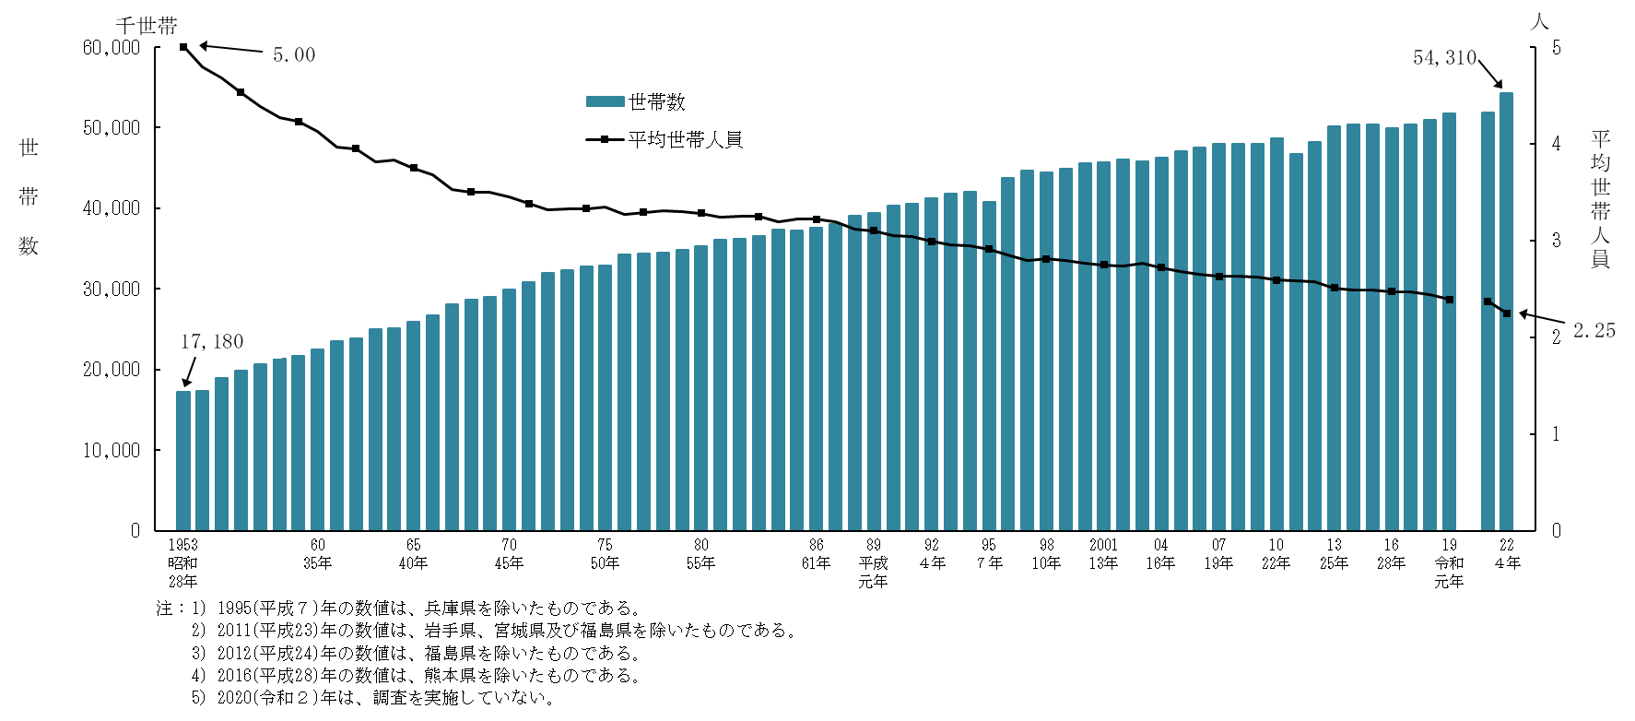

Figure 2
Figure 2 Yearly trends in household structures of households with person(s) aged 65 and over
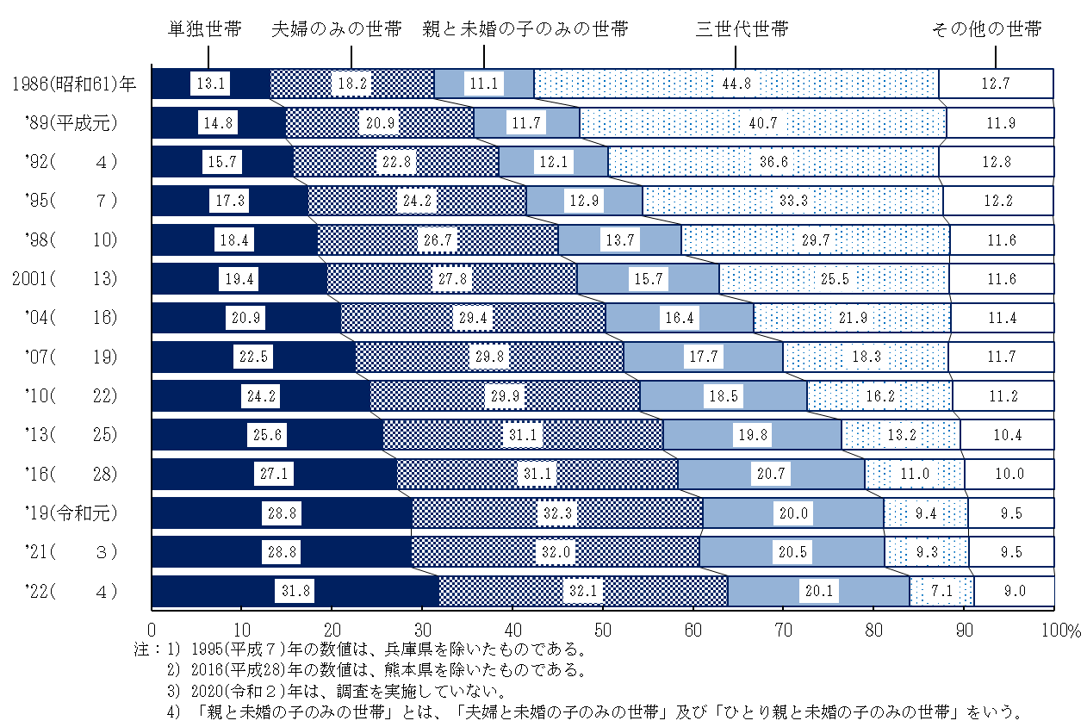
One-person household
Notes: 1) Figures for 1995 do not include data for Hyogo Prefecture.
2) Figures for 2016 do not include data for Kumamoto Prefecture.
3) The survey was not conducted in 2020.
4) “Household of parent(s) and unmarried child(ren) only” means “Household of a couple and unmarried child(ren) only” and “Household of a single parent and unmarried child(ren)”.
1986
1989
Household of a couple only
Household of parent(s) and unmarried child(ren) only
Three-generation-family household
Other households
2019
1992
1995
1998
2004
2007
2010
2013
2016
2021
2022
2001

Figure 3
Figure 3 Household structures of aged household
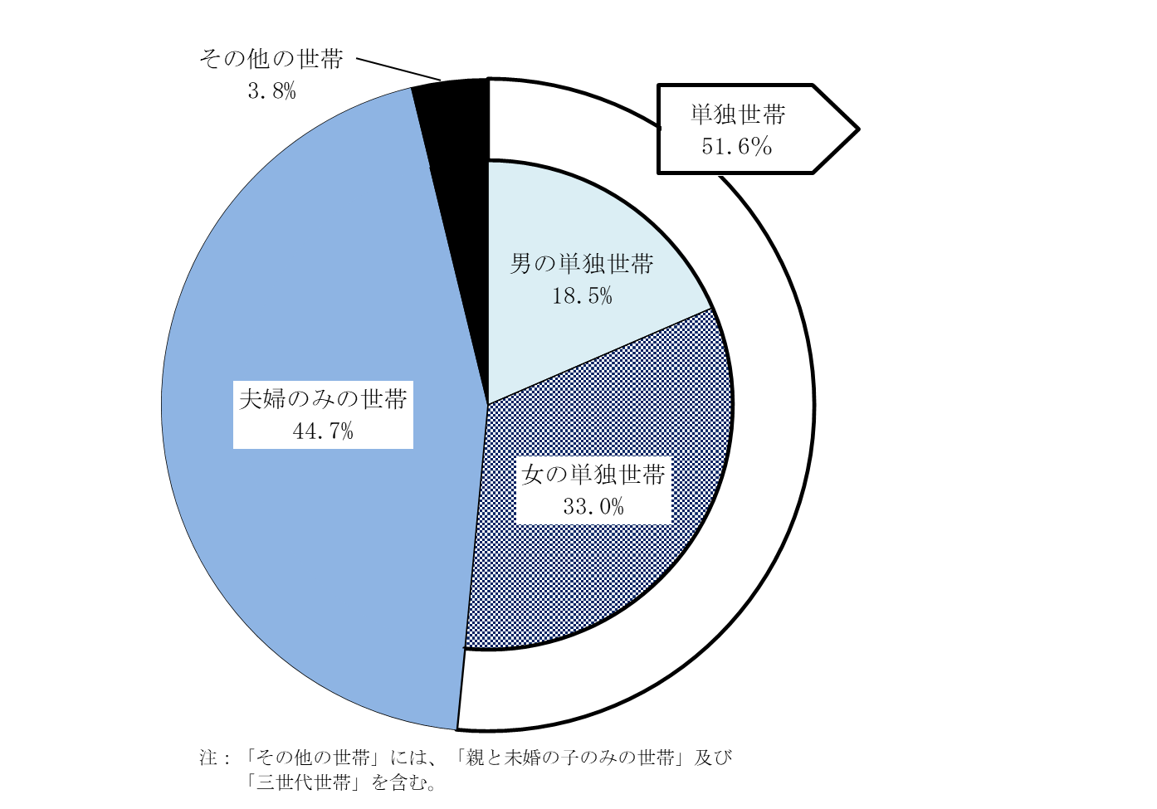
2022

One-person household
Note: "Other households" include "household of parent(s) and unmarried child(ren) only" and "Three-generation-family household".
Household of a couple only
Other households
Male one-person household
Female one-person household

Figure 4
Figure 4 Gender and age structures of one-person household with a person aged 65 and over
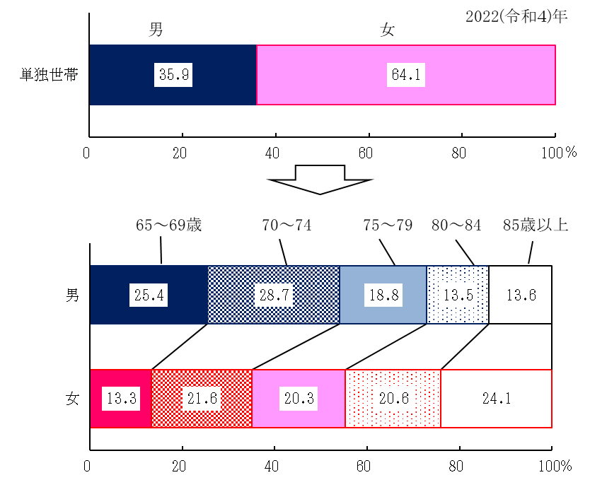
One-person household
Male
Female
2022
Aged 65 to 69
Aged 85 and over
Male
Female

Figure 5
Figure 5 Family types of persons aged 65 and over by gender and age group
One-person household
Male
Female
2022
Aged 65 to 69
Household of a couple only
Aged 65 and over
Co-resident with child(ren)(30.5)
Co-resident with married child(ren) and the child’s spouse
Co-resident with child(ren) without spouse
Others
One-person household
Household of a couple only
Co-resident with child(ren)(36.2)
Co-resident with married child(ren) and the child’s spouse
Co-resident with child(ren) without spouse
Others
Aged 80 and over
Note: “Others” mean “co-resident with other relatives” and “co-resident with person(s) other than relative(s)”.
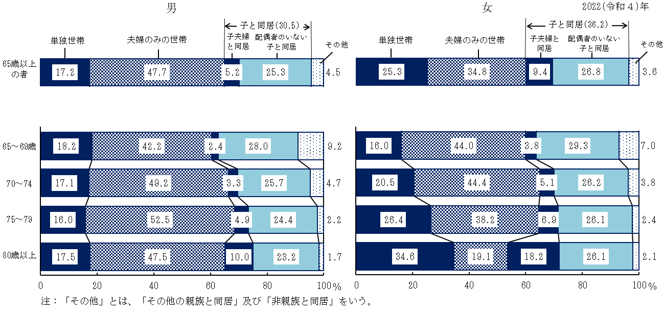

Figure 6
Figure 6 Yearly trends in the percentage distribution of households by the number of children
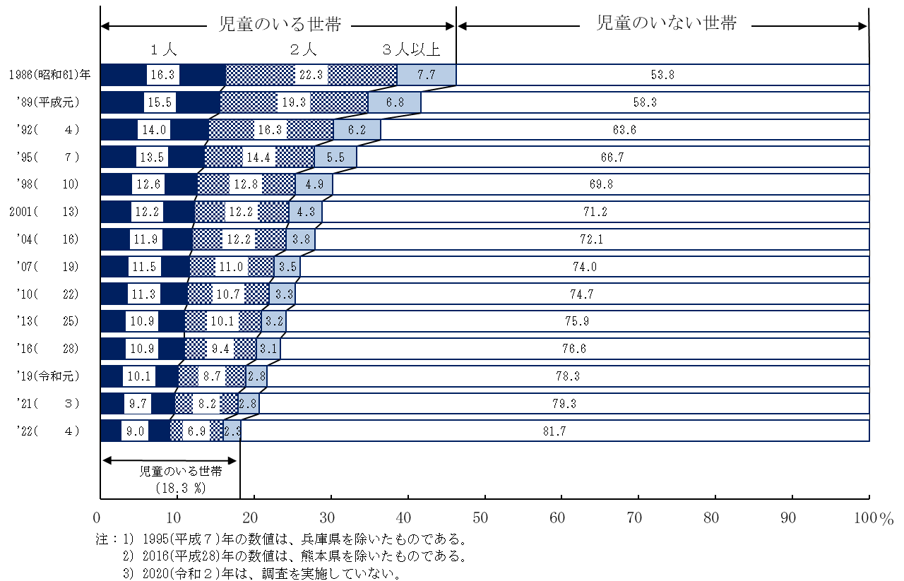
Households with child(ren)
1986
Notes: 1) Figures for 1995 do not include data for Hyogo Prefecture.
2) Figures for 2016 do not include data for Kumamoto Prefecture.
3) The survey was not conducted in 2020.
1 child
2 children
Household without child
Households with child(ren)
2019
3 or more children

1989
1992
1995
1998
2004
2007
2010
2013
2016
2021
2022
2001

Figure 7
Figure 7 Yearly trends of the labor force status of mothers by age group of their youngest child
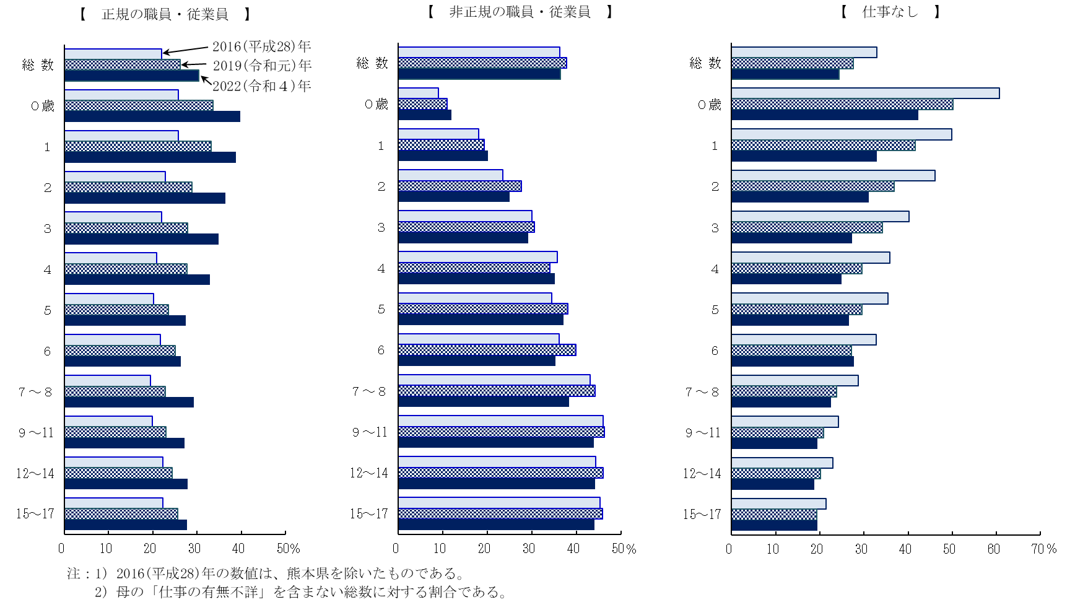
Total
Notes: 1) Figures for 2016 do not include data for Kumamoto Prefecture.
2) Figures above exclude cases where the "labor force status" of mothers is "not stated".
Aged 0
2016
2019
2022
Total
Aged 0
Total
Aged 0
[Regular staff/employees]
[Non-regular staff/employees]
[Has no job]

