実証①データアップロード 確認項目2
実証① データアップロード実証 （別紙
確認項目 2）

【技術検証での確認項目】
各拠点からクラウドにアップロードする際、SS-MIX2データの順番性が確保されていることを確認する。

【検証内容】
①同一のオーダに対するSS-MIX2データを拠点に用意する。
②同時タイミングで同一のオーダに対するSS-MIX2データを送信させるため、同時期に差分検出用のトリガーファイルを監視フォルダに配置する。
③送信アプリケーションにより、古いトランザクション日時のSS-MIX2データから順に送信される事を、ログファイルで確認する。
④上記③での送信において、順番性が確保された状態でクラウドにアップロードされたことを確認する。
古いトランザクション日時のSS-MIX2データは過去履歴ファイルとして格納が行われており、新しいトランザクション日時のSS-MIX2データは有効ファイルとして格納される状況となることを確認する。

【検証結果】
① | 拠点側の同一オーダのSS-MIX2データを確認。

SS-MIX2データとして、同一のオーダに対するトランザクション日時が異なるファイルが存在する。
トランザクション日時の値：
1件目：2016年02月19日13時42分54.618秒
2件目：2016年02月19日13時49分55.774秒
※1件目のSS-MIX2データは、古い情報であるため、ファイル名末尾のコンディションフラグが "_2" となっている。（SS-MIX2標準化ストレージの規約においては、過去の履歴ファイルという意味）

② | 同時タイミングで同一のオーダに対するSS-MIX2データを送信させるため、同時期に差分検出用のトリガーファイルを監視フォルダに配置。
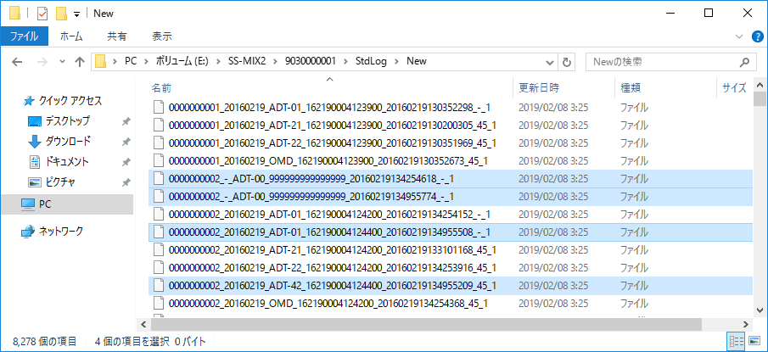
トリガーファイル出力方式における差分ファイルの監視先のフォルダに、0Kbのファイル（トリガーファイル）を格納する。(上記以外のファイルも同時に差分ファイルを格納し、送信を行う)
※上記①の1件目のファイルに対するコンディションフラグは、データ作成時には有効なデータであったため、ファイル名末尾のコンディションフラグは"_1"（有効ファイル）となる。

③ | 上記②のデータがクラウド側にアップロードされる際、トランザクション日時が古いファイルから順に送信されることを確認。
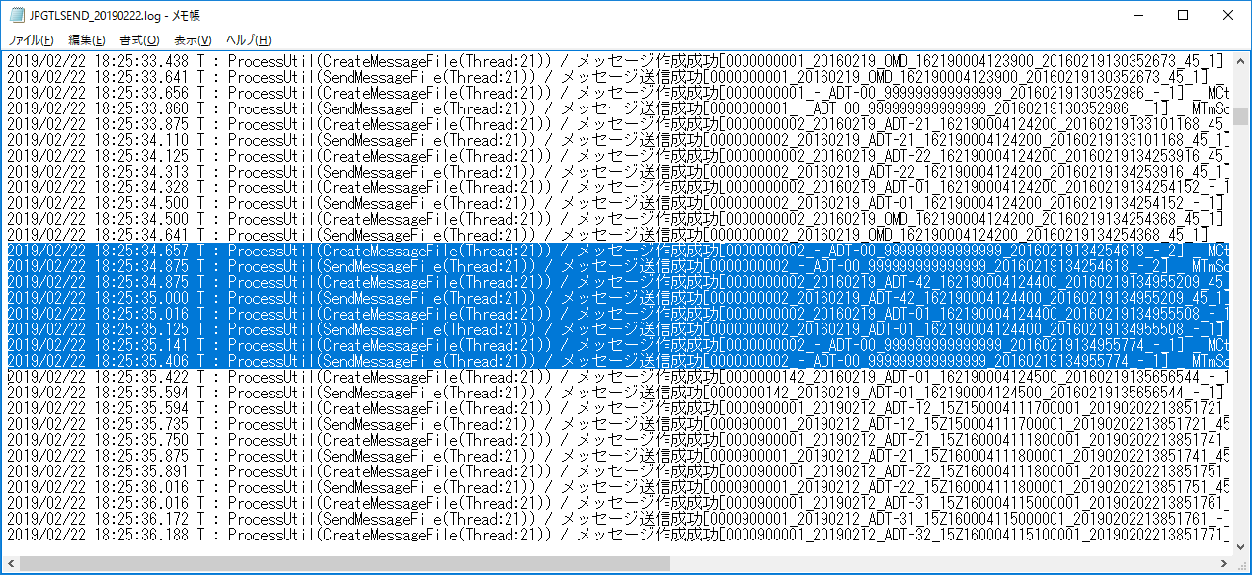

トランザクション日時の順により、
[ 2016年02月19日13時42分54.618秒 ]
のSS-MIX2データが、先に送信される。

トランザクション日時の順により、
[ 2016年02月19日13時49分55.774秒 ]
のSS-MIX2データが、後に送信される。

処理日時

④ | 上記③での送信において、順番性が確保された状態でクラウドにアップロードされたことを確認。
 | 古いトランザクション日時のSS-MIX2データは過去履歴ファイルとして格納が行われており、新しいトランザクション日時のSS-MIX2データは有効ファイルとして格納される状況となることを確認。
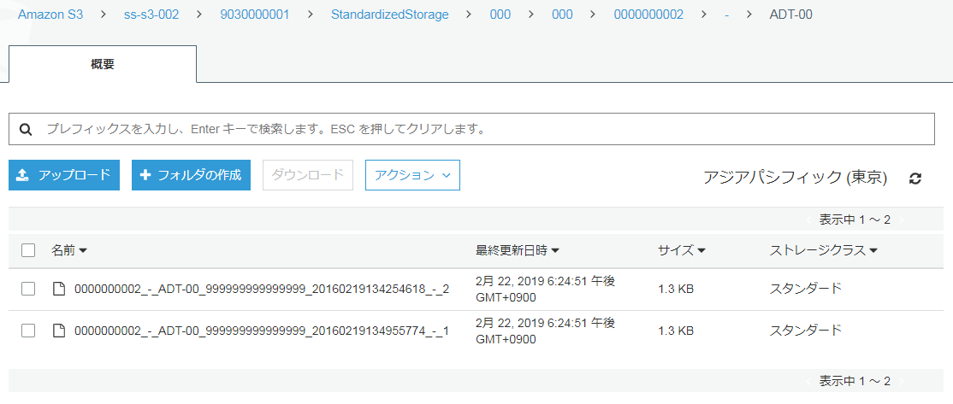

トランザクション日時が古い順からAmazon S3に格納されているため、同一のオーダに対するSS-MIX2データが、順番性を保って格納され、新しいトランザクション日時のファイルが有効ファイル（コンディションフラグが"_1"）として格納されている。
※1件目のSS-MIX2データ格納時にはコンディションフラグは"_1"として格納が行われるが、2件目のSS-MIX2データの格納において、1件目のSS-MIX2データは、SS-MIX2標準化ストレージの規約により、コンディションフラグを"_1"から"_2"に変更する処理が行われるため、この状態となる。

実証①データアップロード 確認項目4
実証① データアップロード実証 （別紙
確認項目 4）

【技術検証での確認項目】
各拠点からクラウドにアップロードする際、ネットワーク断等が発生しても再送によって全てのSS-MIX2データをアップロードできることを確認する。

【検証内容】
①クラウド上にデータ送信可能な送信APを用意する。
通常時（ネットワーク接続済）

SS-MIX2
ストレージ
SS-MIX2
送信AP
差分データ
差分データ

②拠点-クラウド間のネットワークを切断後、送信APから差分データのアップロードを行う。
送信エラーとなっていること、および定期的にリトライしていることを送信APログファイルから確認する。
ネットワーク切断後

差分データ
差分データ
SS-MIX2
ストレージ
SS-MIX2
送信AP

③ネットワーク復旧後、差分データがアップロードされることを確認する。
ネットワークが復旧された為、再送されたことを送信APログファイルから確認する。
ネットワーク復旧後

差分データ
差分データ
SS-MIX2
ストレージ
SS-MIX2
送信AP

④クラウド側のファイルリストを参照し、②にて送信に失敗した差分データがアップロードされていることを確認する。

【検証結果】
② | 拠点-クラウド間のネットワークを切断後、送信APから差分データのアップロードを行う。
 | 送信エラーとなっていること、および定期的にリトライしていることを送信APログファイルから確認する。

 | ■送信ログよりNW切断による送信エラーと、定期的な再送の実施を確認

NW切断により送信エラーが発生

定期的に再送の実施

③ | ネットワーク復旧後、差分データがアップロードされることを確認する。
 | ネットワークが復旧された為、再送されたことを送信APログファイルから確認する。

 | ■送信ログより、NW復旧後の再送によるアップロードを確認

NW復旧後の再送にてアップロード完了

④ | クラウド側のファイルリストを参照し、②にて送信に失敗した差分データがアップロードされていることを確認する。

 | ■S3のファイルリストを取得し、送信エラーとなっていた差分データがアップロードされていることを確認
 | >aws s3 ls s3://ss-s3-005/9050000001/StandardizedStorage/000/922/0009220/20190212 --recursive
 | 2019-02-21 09:57:45 439 9050000001/StandardizedStorage/000/922/0009220/20190212/ADT-12/0009220_20190212_ADT-12_000000009999398_20190211164608180_01_1
 | 2019-02-21 09:58:45 445 9050000001/StandardizedStorage/000/922/0009220/20190212/ADT-21/0009220_20190212_ADT-21_000000010000700_20190211164608186_01_1
 | 2019-02-21 09:58:45 442 9050000001/StandardizedStorage/000/922/0009220/20190212/ADT-22/0009220_20190212_ADT-22_000000000016200_20190211164608191_01_1
 | 2019-02-21 09:58:46 440 9050000001/StandardizedStorage/000/922/0009220/20190212/ADT-31/0009220_20190212_ADT-31_000000000006701_20190211164608196_01_1
 | 2019-02-21 09:58:46 440 9050000001/StandardizedStorage/000/922/0009220/20190212/ADT-32/0009220_20190212_ADT-32_000000000006701_20190211164608202_01_1
 | 2019-02-21 09:58:47 426 9050000001/StandardizedStorage/000/922/0009220/20190212/ADT-41/0009220_20190212_ADT-41_000000000040602_20190211164608208_01_1
 | 2019-02-21 09:58:47 444 9050000001/StandardizedStorage/000/922/0009220/20190212/ADT-42/0009220_20190212_ADT-42_000000000040601_20190211164608215_01_1
 | 2019-02-21 09:58:46 389 9050000001/StandardizedStorage/000/922/0009220/20190212/ADT-51/0009220_20190212_ADT-51_000000000016200_20190211164608221_01_1
 | 2019-02-21 09:58:47 403 9050000001/StandardizedStorage/000/922/0009220/20190212/ADT-52/0009220_20190212_ADT-52_000000000016200_20190211164608227_01_1
 | 2019-02-21 09:58:48 1058 9050000001/StandardizedStorage/000/922/0009220/20190212/OMD/0009220_20190212_OMD_000000001557000_20190211164608232_01_1
 | 2019-02-21 09:58:48 1634 9050000001/StandardizedStorage/000/922/0009220/20190212/OMG-01/0009220_20190212_OMG-01_000000001556600_20190211164608238_69_1
 | 2019-02-21 09:58:49 1694 9050000001/StandardizedStorage/000/922/0009220/20190212/OMG-01/0009220_20190212_OMG-01_000000001556800_20190211164608243_01_1
 | 2019-02-21 10:01:00 1700 9050000001/StandardizedStorage/000/922/0009220/20190212/OMG-02/0009220_20190212_OMG-02_000000001552000_20190211164608249_01_1
送信が失敗していたデータがアップロードされている
 | 2019-02-21 10:01:01 1662 9050000001/StandardizedStorage/000/922/0009220/20190212/OMG-03/0009220_20190212_OMG-03_000000001556500_20190211164608255_69_1
 | 2019-02-21 10:01:01 1719 9050000001/StandardizedStorage/000/922/0009220/20190212/OMG-11/0009220_20190212_OMG-11_000000001556600_20190211164608261_69_1
 | 2019-02-21 10:01:01 1779 9050000001/StandardizedStorage/000/922/0009220/20190212/OMG-11/0009220_20190212_OMG-11_000000001556800_20190211164608267_01_1
 | 2019-02-21 10:01:00 1799 9050000001/StandardizedStorage/000/922/0009220/20190212/OMG-12/0009220_20190212_OMG-12_000000001552000_20190211164608273_01_1
 | 2019-02-21 10:01:01 758 9050000001/StandardizedStorage/000/922/0009220/20190212/OMG-13/0009220_20190212_OMG-13_000000001556500_20190211164608279_69_1
 | 2019-02-21 10:01:02 2891 9050000001/StandardizedStorage/000/922/0009220/20190212/OML-01/0009220_20190212_OML-01_000000001556400_20190211164608285_69_1
 | 2019-02-21 10:01:02 2098 9050000001/StandardizedStorage/000/922/0009220/20190212/OML-11/0009220_20190212_OML-11_000200505060100_20190211164608291_01_1
 | 2019-02-21 10:01:02 1023 9050000001/StandardizedStorage/000/922/0009220/20190212/OMP-01/0009220_20190212_OMP-01_000000000015617_20190211164608297_10_1
 | 2019-02-21 10:01:02 1266 9050000001/StandardizedStorage/000/922/0009220/20190212/OMP-02/0009220_20190212_OMP-02_000000010001001_20190211164608303_01_1
 | 2019-02-21 10:01:02 1266 9050000001/StandardizedStorage/000/922/0009220/20190212/OMP-02/0009220_20190212_OMP-02_000000010002001_20190211164608309_01_1
 | 2019-02-21 10:01:03 1266 9050000001/StandardizedStorage/000/922/0009220/20190212/OMP-02/0009220_20190212_OMP-02_000000010003001_20190211164608316_01_1
 | 2019-02-21 10:01:02 1266 9050000001/StandardizedStorage/000/922/0009220/20190212/OMP-02/0009220_20190212_OMP-02_000000010004001_20190211164608322_01_1
 | 2019-02-21 10:01:04 1266 9050000001/StandardizedStorage/000/922/0009220/20190212/OMP-02/0009220_20190212_OMP-02_000000010005001_20190211164608327_01_1
 | 2019-02-21 10:01:04 1266 9050000001/StandardizedStorage/000/922/0009220/20190212/OMP-02/0009220_20190212_OMP-02_000000010006001_20190211164608332_01_1
 | 2019-02-21 10:01:03 1266 9050000001/StandardizedStorage/000/922/0009220/20190212/OMP-02/0009220_20190212_OMP-02_000000010007001_20190211164608338_01_1
 | 2019-02-21 10:01:04 1266 9050000001/StandardizedStorage/000/922/0009220/20190212/OMP-02/0009220_20190212_OMP-02_000000010008001_20190211164608343_01_1
 | 2019-02-21 10:01:04 1074 9050000001/StandardizedStorage/000/922/0009220/20190212/OMP-12/0009220_20190212_OMP-12_000000010001001_20190211164608349_01_1

実証①データアップロード 確認項目5
実証① データアップロード実証 （別紙
確認項目 5）

【技術検証での確認項目】
各拠点からアップロードする際のパフォーマンスを計測する。

【検証内容】
①クラウド上にデータ送信可能な送信APを用意する。
②送信APのログファイルより、ファイル送信の時間を計測する。
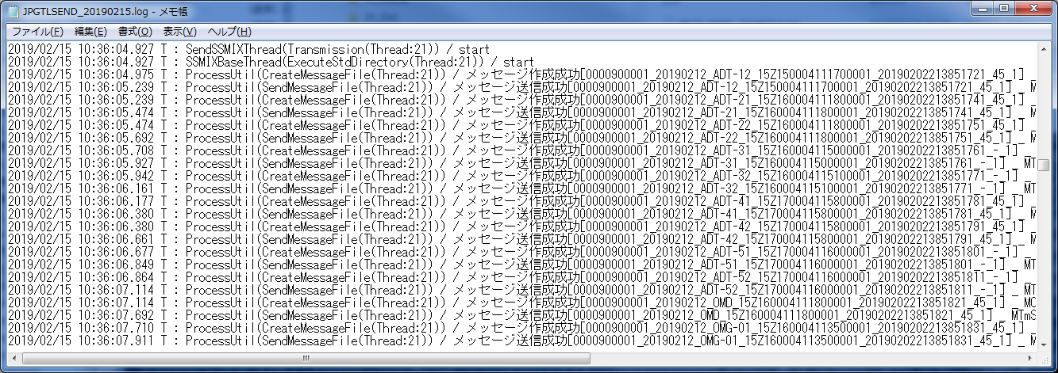

1ファイルあたりの送信時間
以降、100件、1,000件、10,000件に取得件数を広げて計測

【検証結果】 |  |  |  |  |  |  |  |  |  |  | 時:分:秒
No | 区分 | 施設番号 | 施設名 | ホスト | S3バケット | HL7ファイル | ファイル数 | 1回目 | 2回目 | 3回目 | 平均
1 | 地連01 | 9010000001 | 地連01_施設01 | 検証サーバ１－１(ss_ntt_cr01) | ss-s3-001 | NTT東日本 | 1 | 0:00:01 | 0:00:01 | 0:00:01 | 0:00:01
2 | 地連03 | 9040000001 | 地連03_施設01 | 検証サーバ２－２(ss_fjt_cr03) | ss-s3-003 | 富士通 | 1 | 0:00:01 | 0:00:01 | 0:00:01 | 0:00:01
3 | 拠点01 | 9020000002 | 拠点01_施設02 | 検証サーバ１－３(ss_nec_kt01_002) | ss-s3-004 | NEC | 1 | 0:00:01 | 0:00:01 | 0:00:01 | 0:00:01
4 | 拠点02 | 9050000001 | 拠点02_施設01 | 検証サーバ３(ss_nec_kt02_001) | ss-s3-005 | NEC | 1 | 0:00:01 | 0:00:01 | 0:00:01 | 0:00:01
5 | 地連01 | 9010000001 | 地連01_施設01 | 検証サーバ１－１(ss_ntt_cr01) | ss-s3-001 | NTT東日本 | 100 | 0:01:28 | 0:00:26 | 0:00:33 | 0:00:49
6 | 地連03 | 9040000001 | 地連03_施設01 | 検証サーバ２－２(ss_fjt_cr03) | ss-s3-003 | 富士通 | 100 | 0:00:22 | 0:00:36 | 0:00:30 | 0:00:29
7 | 拠点01 | 9020000002 | 拠点01_施設02 | 検証サーバ１－３(ss_nec_kt01_002) | ss-s3-004 | NEC | 100 | 0:01:41 | 0:00:48 | 0:00:29 | 0:00:59
8 | 拠点02 | 9050000001 | 拠点02_施設01 | 検証サーバ３(ss_nec_kt02_001) | ss-s3-005 | NEC | 100 | 0:00:18 | 0:00:19 | 0:00:31 | 0:00:23
9 | 地連01 | 9010000001 | 地連01_施設01 | 検証サーバ１－１(ss_ntt_cr01) | ss-s3-001 | NTT東日本 | 1,000 | 0:09:03 | 0:06:19 | 0:05:17 | 0:06:53
10 | 地連03 | 9040000001 | 地連03_施設01 | 検証サーバ２－２(ss_fjt_cr03) | ss-s3-003 | 富士通 | 1,000 | 0:04:47 | 0:05:50 | 0:05:22 | 0:05:20
11 | 拠点01 | 9020000002 | 拠点01_施設02 | 検証サーバ１－３(ss_nec_kt01_002) | ss-s3-004 | NEC | 1,000 | 0:15:06 | 0:07:32 | 0:06:59 | 0:09:52
12 | 拠点02 | 9050000001 | 拠点02_施設01 | 検証サーバ３(ss_nec_kt02_001) | ss-s3-005 | NEC | 1,000 | 0:04:17 | 0:04:09 | 0:06:07 | 0:04:51
13 | 拠点01 | 9020000003 | 拠点01_施設03 | 検証サーバ１－４(ss_nec_kt01_003) | ss-s3-004 | NEC | 10,000 | 1:34:39 | 1:26:43 | 1:31:10 | 1:30:51

実証②
実証② アクセス制御実証 （別紙

【技術検証での確認項目】
・クラウド上にある自医療機関SS-MIX2ストレージにデータをアップロードできることを確認。
・クラウド上にある他医療機関SS-MIX2ストレージにアクセスできないことを確認。

【検証内容】
①バケットポリシーにてアクセス制御を設定した拠点A（施設番号：9010000001）を用意する。
②ユーザポリシーにてアクセス制御を設定した拠点C（施設番号：9040000001）を用意する。
③拠点Aからバケット1内の拠点Aストレージ（自医療機関ストレージ）にデータがアップロードできることを確認する。
拠点Aの送信設定にて、送信先バケット名=バケット1、送信先施設番号=拠点Aの施設番号、IAMユーザ情報=拠点Aのユーザ情報に設定後、データアップロードを行う。
④拠点Aからバケット1内の拠点Bストレージ（他医療機関ストレージ）にデータがアップロードできないことを確認する。
拠点Aの送信設定にて、送信先バケット名=バケット1、送信先施設番号=拠点Bの施設番号、IAMユーザ情報=拠点Aのユーザ情報に設定後、データアップロードを行う。
⑤拠点Cからバケット2内の拠点Cストレージ（自医療機関ストレージ）にデータがアップロードできることを確認する。
拠点Cの送信設定にて、送信先バケット名=バケット2、送信先施設番号=拠点Cの施設番号、IAMユーザ情報=拠点Cのユーザ情報に設定後、データアップロードを行う。
⑥拠点Cからバケット2内の拠点Dストレージ（他医療機関ストレージ）にデータがアップロードできないことを確認する。
拠点Cの送信設定にて、送信先バケット名=バケット2、送信先施設番号=拠点Dの施設番号、IAMユーザ情報=拠点Cのユーザ情報に設定後、データアップロードを行う。

バケット格納構成
AWS Cloud

バケット1(バケットポリシー)
バケット2(ユーザポリシー)

③
④
⑤
⑥
A
B
C
D

拠点C
拠点A
：データ転送パターン③
：データ転送パターン④
：データ転送パターン⑤
：データ転送パターン⑥

【実証結果】
③ | 自医療機関のストレージへのアップロード [拠点A（医療機関の識別子：9010000001）]

 | バケットポリシーの設定状態（プレフィックス：9010000001）
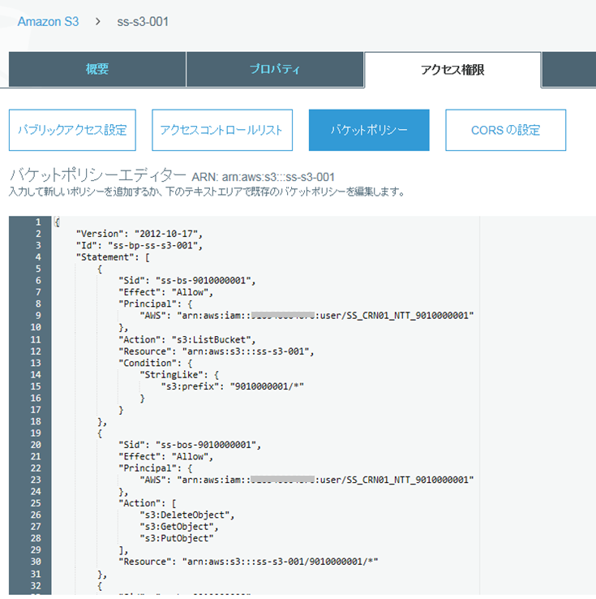

バケットポリシーで指定されたプレフィックスへのアクセスが可能
IAMユーザー：[SS_CRN01_NTT_9010000001]

 | ⇒アクセスが可能であり、S3への送信が可能であることを確認

④ | 他医療機関のストレージへのアップロード [拠点B（医療機関の識別子：9010000002）]

 | バケットポリシーの設定状態（プレフィックス：9010000002）
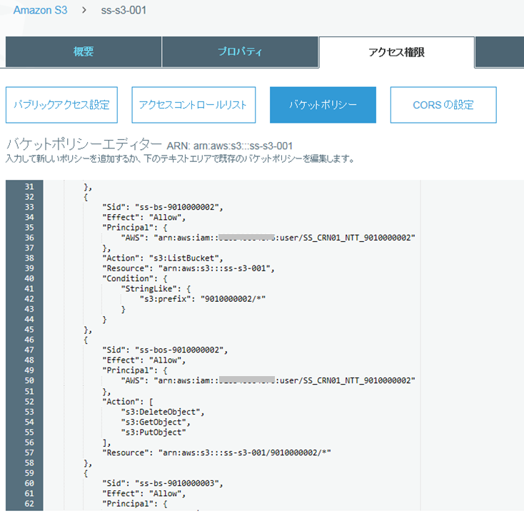

他医療機関のディレクトリに対するバケットポリシーの設定を満たさないため、アクセスが不可能
IAMユーザー：[SS_CRN01_NTT_9010000001]

 | ⇒アクセスが不可能であり、S3への送信がエラーとなる事を確認

⑤ | 自医療機関のストレージへのアップロード [拠点C（医療機関の識別子：9040000001）]

 | ユーザポリシーの設定状態（IAMユーザのタグ(facilityid)には施設番号を設定）
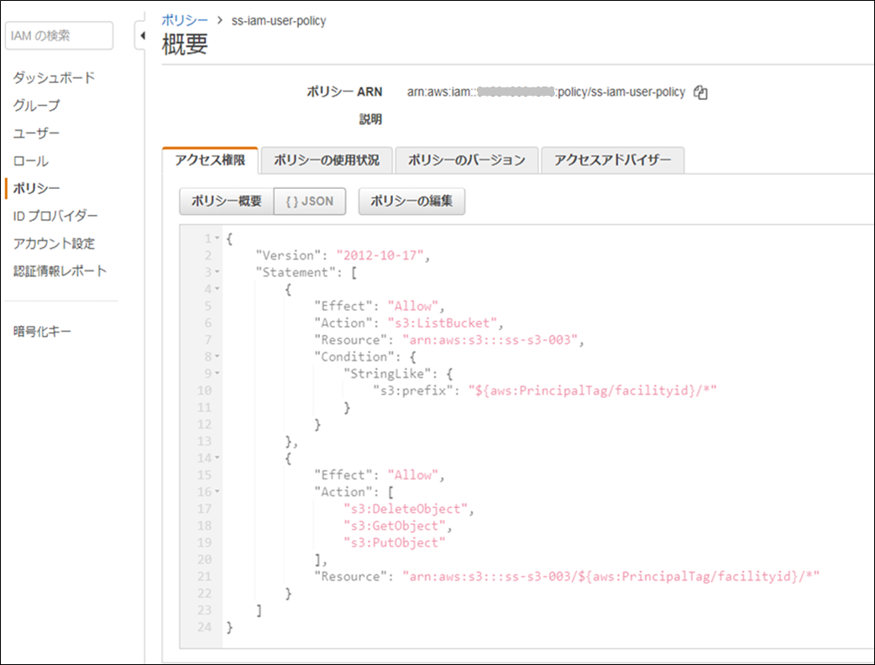

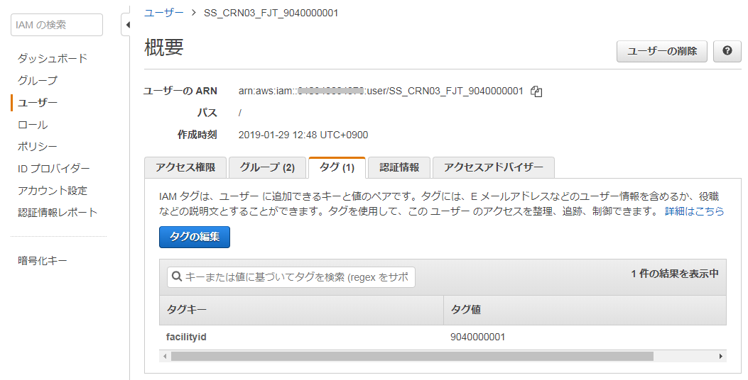

ユーザポリシーで指定されたプレフィックスへのアクセスが可能
IAMユーザー：[SS_CRN03_FJT_9040000001]

 | ⇒アクセスが可能であり、S3への送信が可能であることを確認

⑥ | 他医療機関のストレージへのアップロード [拠点D（医療機関の識別子：9040000002）]

 | ユーザポリシーの設定状態（IAMユーザのタグ(facilityid)には施設番号を設定）

他医療機関のディレクトリに対するユーザポリシーの設定を満たさないため、アクセスが不可能
IAMユーザー：[SS_CRN03_FJT_9040000001]

 | ⇒アクセスが不可能であり、S3への送信がエラーとなる事を確認

実証③-1
実証③ データ変換実証 （別紙

【技術検証での確認項目】
・SS-MIXストレージに格納されたものが、確実にデータベース変換されているかを確認。

【検証内容】
①クラウド上のファイルリストとインデックスデータベースのssmixindexテーブル内容を比較し、件数が一致していることを確認する。
②クラウド上にアップロードしたファイル内容とRDBの各テーブル件数を比較し、件数が一致していることを確認する。
クラウド上の比較対象ファイルはコンディションフラグが1のファイルのみとする。
 | RDBテーブル名 | テーブル件数との比較内容
 | SRD_MESSAGE_HEADER | ファイル件数
 | SRD_PATIENT | PIDセグメントの合計数
 | SRD_PATIENT_RELATIVES | NK1セグメントの合計数
 | SRD_PATIENT_VISIT | PV1セグメントの合計数
 | SRD_PATIENT_DISABILITY | DB1セグメントの合計数
 | SRD_PATIENT_ALLERGY | AL1セグメントとIAMセグメントの合計数
 | SRD_PATIENT_INSURANCE | IN1セグメントとZI1セグメントの合計数
 | SRD_PROBLEM | PRBセグメントの合計数
 | SRD_PROBLEM_DENTAL | ZPDセグメントの合計数
 | SRD_ORDER | ORCセグメントの合計数
 | SRD_ORDER_TIMING | TQ1セグメントの合計数
 | SRD_ORDER_MEAL | ODSセグメントの合計数
 | SRD_ORDER_ROUTE | RXRセグメントの合計数
 | SRD_ORDER_DOSAGE | RXAセグメントの合計数
 | SRD_ORDER_COMPONENT | RXCセグメントの合計数
 | SRD_ORDER_TRIAL | CTIセグメントの合計数
 | SRD_ORDER_SPECIMEN | SPMセグメントの合計数
 | SRD_ORDER_INSPECTION_REQUEST | OBRセグメントの合計数
 | SRD_ORDER_INSPECTION_RESULT | OBXセグメントの合計数
 | SRD_ORDER_IMPLEMENT | ZE1セグメントの合計数
 | SRD_ORDER_EXPOSURE | ZE2セグメントの合計数
 | SRD_ORDER_IMAGE | IPCセグメントの合計数
③アップロードファイルを無作為に数件抽出し、ファイル内容とRDB登録内容が一致していることを確認する。
④クラウド上にアップロードしたファイル内容とMongoDBのデータ件数を比較し、件数が一致していることを確認する。
クラウド上の比較対象ファイルはコンディションフラグが1のファイルのみとする。
 | MongoDBコレクション名 | テーブル件数との比較内容
 | SND_SSMIX2_DATA | ファイル件数
⑤アップロードファイルを無作為に数件抽出し、ファイル内容とMongoDB登録内容が一致していることを確認する。

【実証結果】
① | クラウド上のファイルリストとインデックスデータベースのssmixindexテーブル内容を比較し、件数が一致していることを確認。
 | 下記比較結果のとおり、件数が一致することを確認。

 | ①-1 HL7ファイル：NTT東日本
 | ■S3ファイル件数

 | ■インデックスデータベース件数
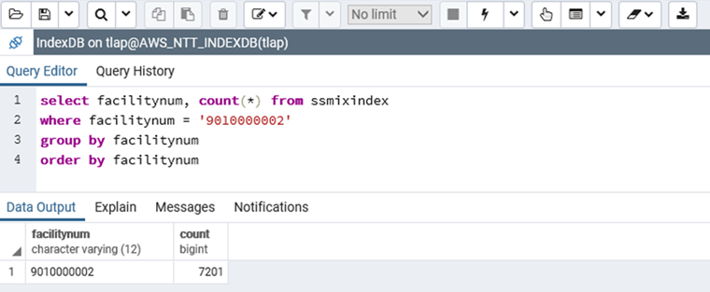

件数が一致

 | ①-2 HL7ファイル：NEC
 | ■S3ファイル件数

 | ■インデックスデータベース件数
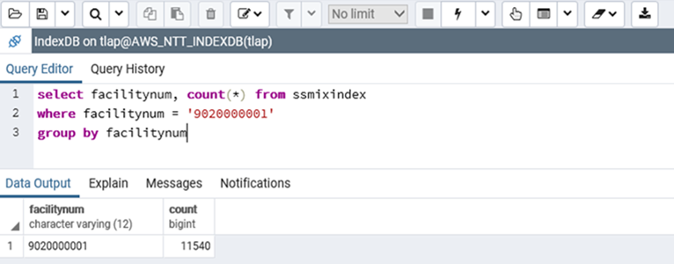

件数が一致

 | ①-3 HL7ファイル：富士通
 | ■S3ファイル件数

 | ■インデックスデータベース件数
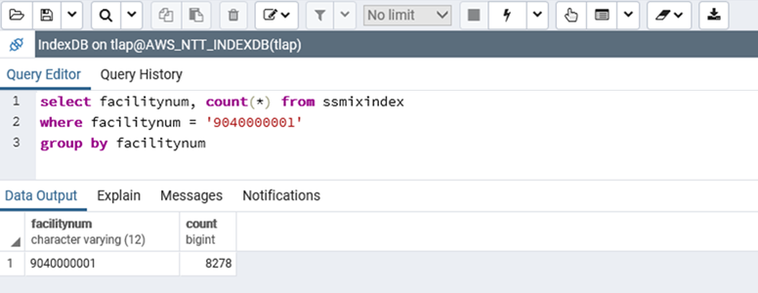

件数が一致

実証③クエリ検証
実証③ データベース化されたSS-MIX2データへの閲覧、クエリー （別紙

【技術検証での確認項目】
各データベース構造に対するデータ数集計クエリー(count)を実行し、応答時間を計測する。

【検証結果】 クエリー検証の測定結果 |  |  |  |  |  |  |  |  |  |  | 単位：秒
No | 対象 | 条件数 | クエリー条件 |  |  | RDB |  |  | NoSQL
 |  |  |  |  |  | 1回目 | 2回目 | 平均 | 1回目 | 2回目 | 平均
1 | 患者情報 | 1 | 年齢 | - | - | 7.680 | 7.678 | 7.679 | 1.392 | 1.463 | 1.428
2 |  | 2 | 年齢 | 性別 | - | 7.744 | 7.649 | 7.697 | 124.279 | 152.867 | 138.573
3-1 | 病名 | 1 | 病名（前方一致） | - | - | 5.175 | 5.123 | 5.149 | 0.002 | 0.002 | 0.002
3-2 |  | 1 | 病名（中間一致） | - | - | 6.134 | 6.130 | 6.132 | 計測不可 | 計測不可 | ー
3-3 |  | 1 | 病名（完全一致） | - | - | 4.892 | 4.913 | 4.903 | 0.001 | 0.001 | 0.001
4-1 |  | 2 | 病名（前方一致） | 期間 | - | 6.861 | 6.927 | 6.894 | 0.072 | 0.078 | 0.075
4-2 |  | 2 | 病名（中間一致） | 期間 | - | 6.788 | 6.812 | 6.800 | 計測不可 | 計測不可 | ー
4-3 |  | 2 | 病名（完全一致） | 期間 | - | 6.818 | 6.768 | 6.793 | 0.001 | 0.001 | 0.001
5-1 | 処方 | 1 | 処方名（前方一致） | - | - | 5.148 | 5.196 | 5.172 | 0.002 | 0.002 | 0.002
5-2 |  | 1 | 処方名（中間一致） | - | - | 6.146 | 6.228 | 6.187 | 計測不可 | 計測不可 | ー
5-3 |  | 1 | 処方名（完全一致） | - | - | 4.884 | 4.854 | 4.869 | 0.001 | 0.001 | 0.001
6-1 |  | 3 | 処方名（前方一致） | 処方量 | 期間 | 6.728 | 6.640 | 6.684 | 0.288 | 0.285 | 0.287
6-2 |  | 3 | 処方名（中間一致） | 処方量 | 期間 | 6.697 | 6.743 | 6.720 | 計測不可 | 計測不可 | ー
6-3 |  | 3 | 処方名（完全一致） | 処方量 | 期間 | 6.694 | 6.724 | 6.709 | 0.003 | 0.003 | 0.003
7-1 | 検査 | 1 | 検査名（前方一致） | - | - | 5.288 | 5.107 | 5.198 | 0.003 | 0.003 | 0.003
7-2 |  | 1 | 検査名（中間一致） | - | - | 6.182 | 6.144 | 6.163 | 計測不可 | 計測不可 | ー
7-3 |  | 1 | 検査名（完全一致） | - | - | 4.810 | 4.833 | 4.822 | 0.001 | 0.003 | 0.002
8-1 |  | 3 | 検査名（前方一致） | 検査値 | 期間 | 6.525 | 6.490 | 6.508 | 0.318 | 0.324 | 0.321
8-2 |  | 3 | 検査名（中間一致） | 検査値 | 期間 | 6.463 | 6.499 | 6.481 | 計測不可 | 計測不可 | ー
8-3 |  | 3 | 検査名（完全一致） | 検査値 | 期間 | 6.587 | 6.476 | 6.531 | 0.006 | 0.007 | 0.007
...
■RDB No3-1
 | 1回目
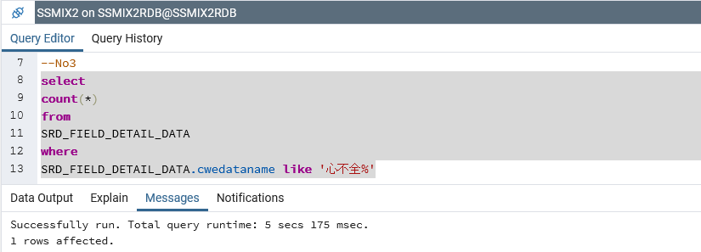

 | 2回目

■RDB No3-2
 | 1回目
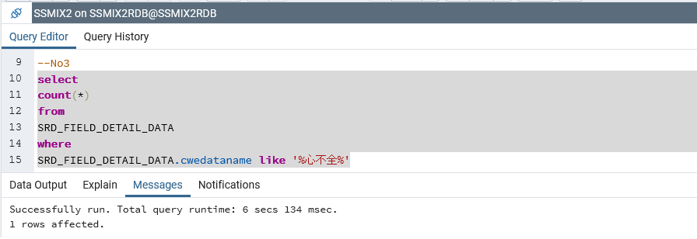

 | 2回目

■RDB No3-3
 | 1回目
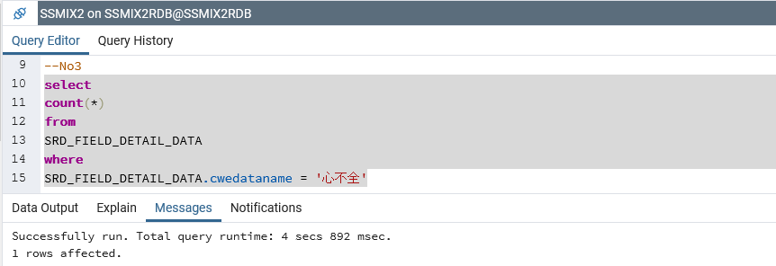

 | 2回目

■RDB No4-1
 | 1回目
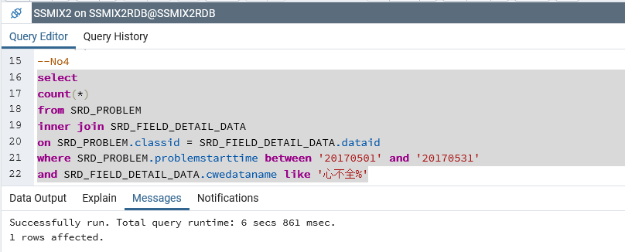

 | 2回目

■RDB No4-2
 | 1回目
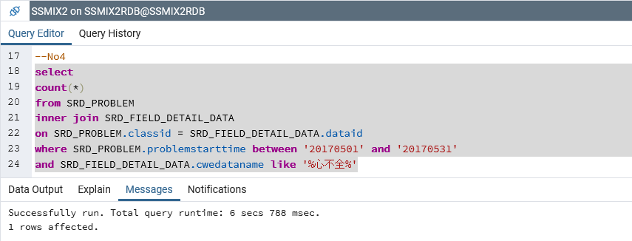

 | 2回目

■RDB No4-3
 | 1回目
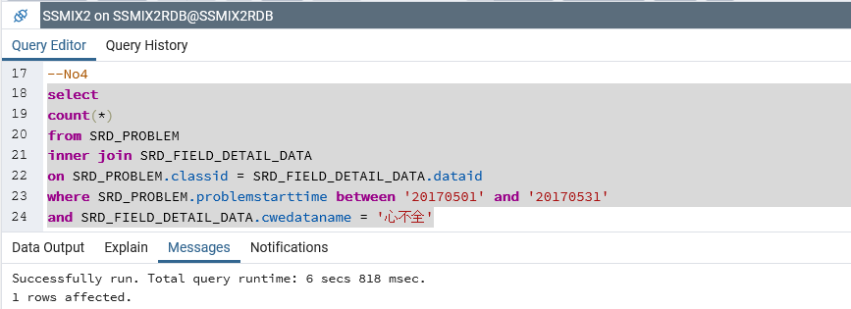

 | 2回目
...
■RDB No5-3
 | 1回目
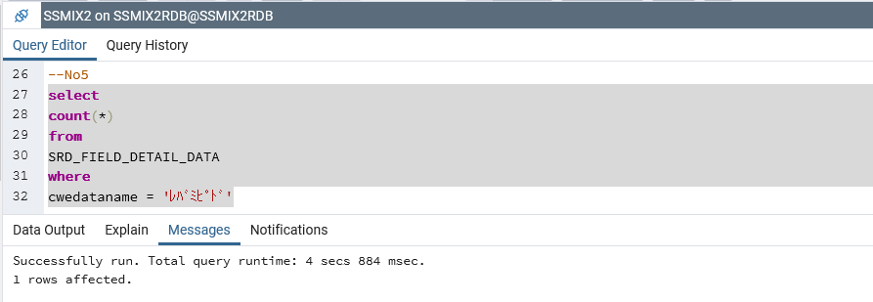

 | 2回目

■RDB No6-1
 | 1回目
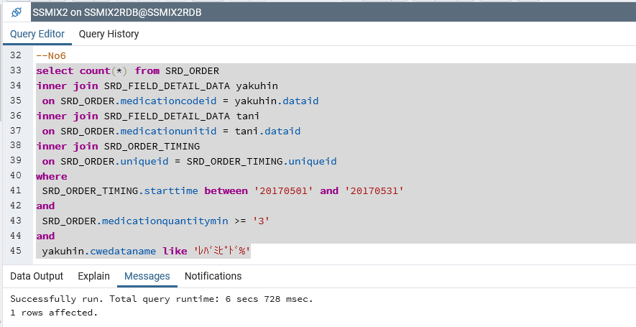

 | 2回目

■RDB No6-2
 | 1回目
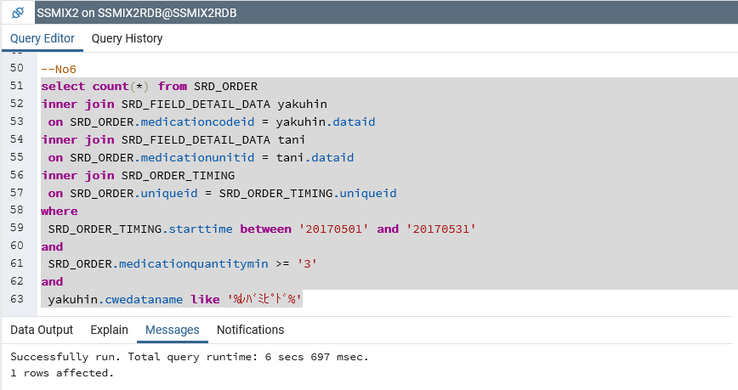

 | 2回目

■RDB No6-3
 | 1回目
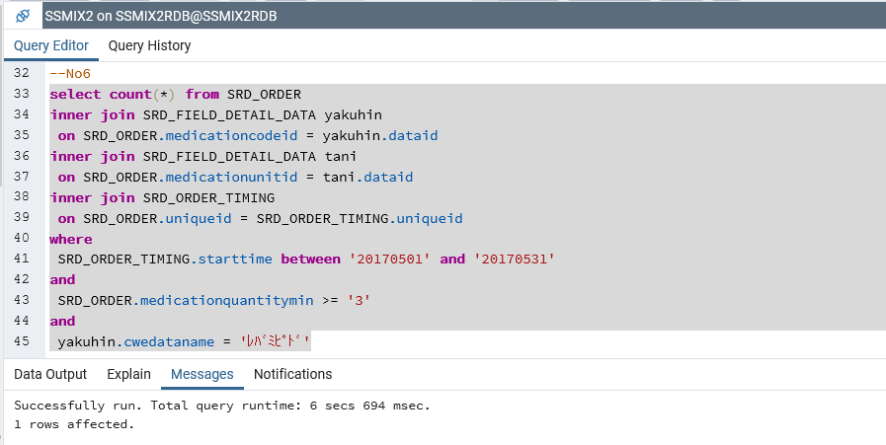

 | 2回目
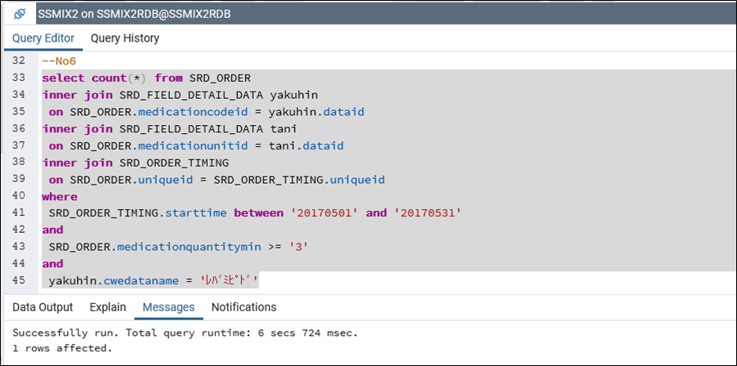

■RDB No7-1
 | 1回目
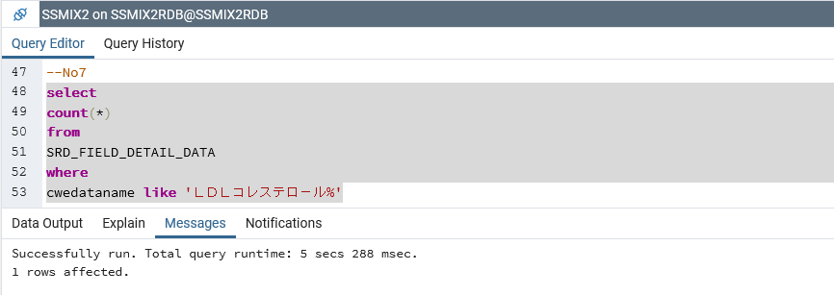

 | 2回目
...
■RDB No7-3
 | 1回目
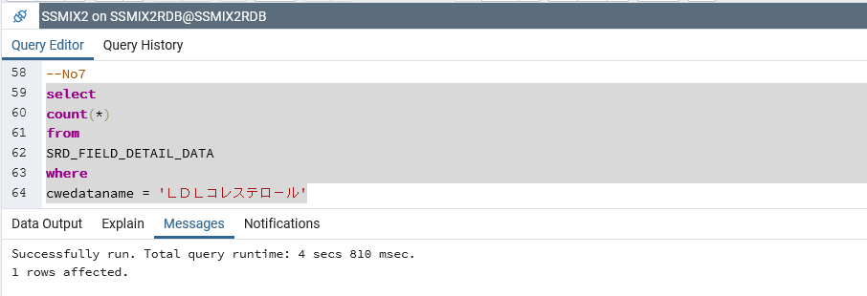

 | 2回目

■RDB No8-1
 | 1回目
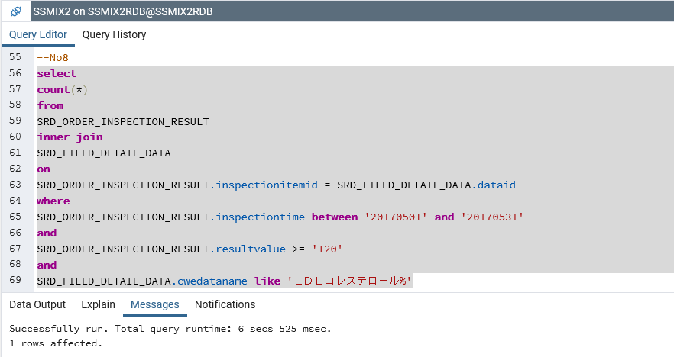

 | 2回目
...
■RDB No8-3
 | 1回目
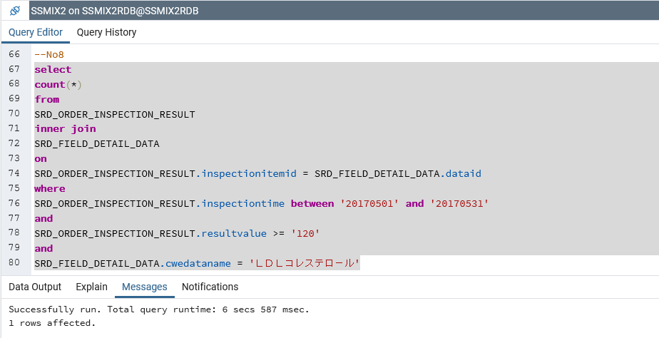

 | 2回目
...

