０．e-Stat Announcement(掲載場所案内)
Announcement contents ・ List of chapter titled items

Publication statistical tables on e-Stat

 | The composition of the published statistical tables is based on the posting of each report.

 | 【general window (e-Stat) of government figures】 |  |  |  | https://www.e-stat.go.jp/en

 | >Top Page ＞Search by theme ＞Vital Statistics＞ ＞ （Official statistics name）Vital Statistics ＞（Dataset category0）Vital Statistics＞ （Dataset category1）Vital Statistics ＞ （Dataset category2）Final data ＞
 |  | Example: 2018 Volume 1, Table 4-1

 | （Dataset category3）Natality ＞（Update frequency）Yearly ＞（Survey date） 2018 > （Table number）Volume 1 4-1 ＞
①
②
③

 |  | （Statistical table ）Trends in live births, live birth rates (per 1,000 population), total fertility rates and sex ratio of live births:Japan
④

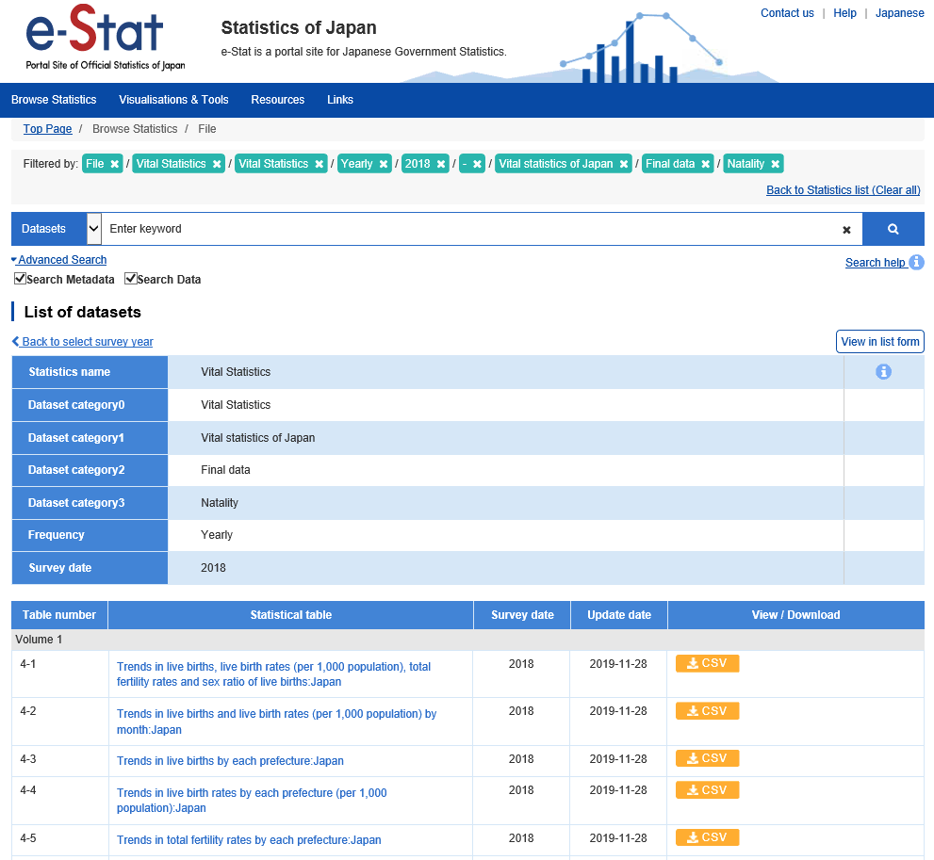
 |  | (reference) e-Stat publication order along the constitution of the publication statistical table
 |  | （Dataset category3） | ＞ | （Update frequency） | ＞ | （Survey date）

 |  | A term and proportional commentary |  | Yearly |  | 2018
 |  | Classification list
 |  | １．Summary
 |  | ２．Natality
 |  | ３．General mortality
 |  | ４．Infant mortality
①
②
 |  | ５．Foetal mortality
④
 |  | ６．Perinatal mortality
③
 |  | ７．Marriages
 |  | ８．Divorces
 |  | 10．Other
 |  | 11．Population

 |  | To compare the statistical table for each event, from the list of statistical tables "1. Summary" to "11. Population" (appendix), for the sake of convenience, the same event number is added to the composition of the e-Stat table .

